基年装机
 | coal | oil | gas | hydro | offwind | onwind | pv | nuclear | biomass | coalccs | gasccs | beccs
BEIJ | 0.77 | 0.22 | 10.00 | 0.99 | 0.00 | 0.19 | 0.62 | 0.00 | 0.39 | 0.00 | 0.00 | 0.00 | 2.52
TIAN | 12.30 | 0.00 | 3.82 | 0.00 | 0.85 | 0.00 | 1.64 | 0.00 | 0.33 | 0.00 | 0.00 | 0.00 | 5.60
HEBE | 49.52 | 0.00 | 0.94 | 1.82 | 15.00 | 7.74 | 21.90 | 0.00 | 1.15 | 0.00 | 0.00 | 0.00 | 54.00
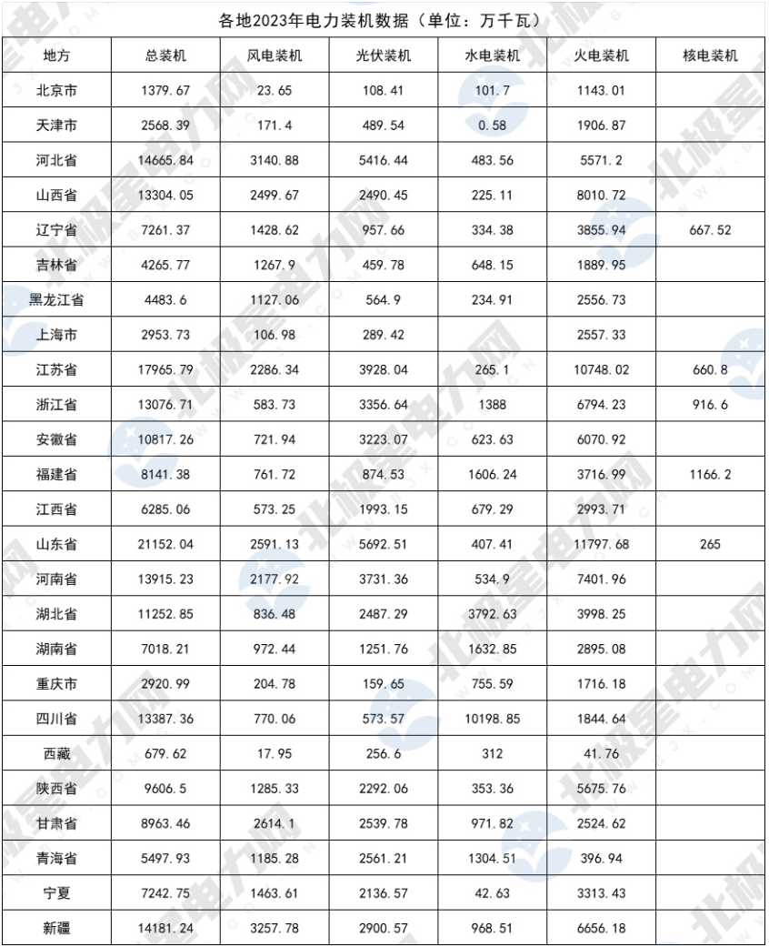
SHNX | 62.63 | 0.00 | 3.48 | 2.23 | 0.00 | 19.74 | 13.09 | 0.00 | 0.64 | 0.00 | 0.00 | 0.00 | 50.00
NEMO | 92.07 | 0.00 | 0.74 | 2.42 | 0.00 | 37.86 | 12.37 | 0.00 | 0.33 | 0.00 | 0.00 | 0.00 | 45.00
LIAO | 34.99 | 0.15 | 0.06 | 3.05 | 6.40 | 3.41 | 4.00 | 4.48 | 0.45 | 0.00 | 0.00 | 0.00 | 10.00
JILI | 17.33 | 0.00 | 0.01 | 3.10 | 0.00 | 5.77 | 3.38 | 0.00 | 0.80 | 0.00 | 0.00 | 0.00 | 8.00
HEIL | 22.22 | 0.02 | 0.14 | 1.09 | 0.00 | 6.86 | 3.18 | 0.00 | 1.50 | 0.00 | 0.00 | 0.00 | 8.68
SHAN | 15.02 | 0.61 | 7.66 | 0.00 | 0.82 | 0 | 1.37 | 0.00 | 0.43 | 0.00 | 0.00 | 0.00 | 4.07
JINU | 79.21 | 0.00 | 17.00 | 2.65 | 15.47 | 0 | 16.84 | 5.49 | 2.42 | 0.00 | 0.00 | 0.00 | 35.00
ZHEJ | 47.38 | 0.02 | 12.62 | 11.71 | 1.26 | 0.6 | 15.17 | 4.68 | 2.40 | 0.00 | 0.00 | 0.00 | 15.00
ANHU | 51.43 | 0.00 | 0.14 | 4.74 | 0.00 | 4.12 | 13.70 | 0.00 | 2.14 | 0.00 | 0.00 | 0.00 | 28.00
FUJI | 28.62 | 0.00 | 3.91 | 13.31 | 4.86 | 0 | 2.02 | 9.86 | 0.80 | 0.00 | 0.00 | 0.00 | 5.00
JINX | 20.56 | 0.00 | 0.14 | 6.60 | 0.00 | 5.1 | 7.76 | 0.00 | 0.80 | 0.00 | 0.00 | 0.00 | 24.00
SHAD | 103.05 | 0.00 | 0.11 | 1.08 | 13.95 | 4.5 | 22.72 | 6.91 | 3.65 | 0.00 | 0.00 | 0.00 | 57.00
HENA | 64.82 | 0.00 | 3.44 | 4.08 | 0.00 | 15.18 | 11.75 | 0.00 | 1.50 | 0.00 | 0.00 | 0.00 | 21.75
HUBE | 28.91 | 0.00 | 1.12 | 37.57 | 0.00 | 5.02 | 6.98 | 0.00 | 1.10 | 0.00 | 0.00 | 0.00 | 22.00
HUNA | 20.24 | 0.05 | 0.08 | 15.81 | 0.00 | 6.69 | 3.91 | 0.00 | 0.85 | 0.00 | 0.00 | 0.00 | 13.00
GUAD | 66.20 | 0.00 | 26.96 | 16.66 | 2.80 | 2.85 | 7.97 | 16.14 | 2.82 | 0.00 | 0.00 | 0.00 | 20.00
GUAX | 18.59 | 0.00 | 0.54 | 17.59 | 1.30 | 5.23 | 2.05 | 2.17 | 2.07 | 0.00 | 0.00 | 0.00 | 15.00
HAIN | 3.24 | 0.00 | 1.69 | 1.51 | 0.13 | 0.16 | 1.43 | 1.30 | 0.45 | 0.00 | 0.00 | 0.00 | 5.00
CHON | 13.29 | 0.00 | 1.49 | 7.79 | 0.00 | 0.97 | 0.67 | 0.00 | 0.35 | 0.00 | 0.00 | 0.00 | 3.70
SICH | 12.12 | 0.00 | 1.28 | 78.92 | 0.00 | 4.26 | 1.91 | 0.00 | 0.84 | 0.00 | 0.00 | 0.00 | 10.00
GUIZ | 34.69 | 0.00 | 0.56 | 22.81 | 0.00 | 5.8 | 10.57 | 0.00 | 0.35 | 0.00 | 0.00 | 0.00 | 31.00
YUNN | 12.98 | 0.00 | 0.03 | 74.80 | 0.00 | 8.81 | 3.88 | 0.00 | 0.49 | 0.00 | 0.00 | 0.00 | 10.00
SHAA | 47.68 | 0.00 | 0.22 | 3.92 | 0.00 | 8.92 | 10.89 | 0.00 | 0.42 | 0.00 | 0.00 | 0.00 | 40.00
GANS | 22.62 | 0.00 | 0.01 | 9.57 | 0.00 | 13.73 | 9.82 | 0.00 | 0.14 | 0.00 | 0.00 | 0.00 | 41.69
QING | 3.75 | 0.00 | 0.01 | 11.93 | 0.00 | 8.43 | 16.01 | 0.00 | 0.01 | 0.00 | 0.00 | 0.00 | 45.80
NINX | 31.36 | 0.00 | 0.70 | 0.43 | 0.00 | 11.16 | 11.97 | 0.00 | 0.13 | 0.00 | 0.00 | 0.00 | 32.50
XING | 61.52 | 0.00 | 0.85 | 8.00 | 0.00 | 23.61 | 12.66 | 0.00 | 0.09 | 0.00 | 0.00 | 0.00 | 45.00
China | 1079.11 | 1.47 | 99.72 | 370.28 | 62.84 | 218.70 | 253.56 | 49.89 | 29.87 | 0.00 | 0.00 | 0.00

基年电力装机

风电政策约束
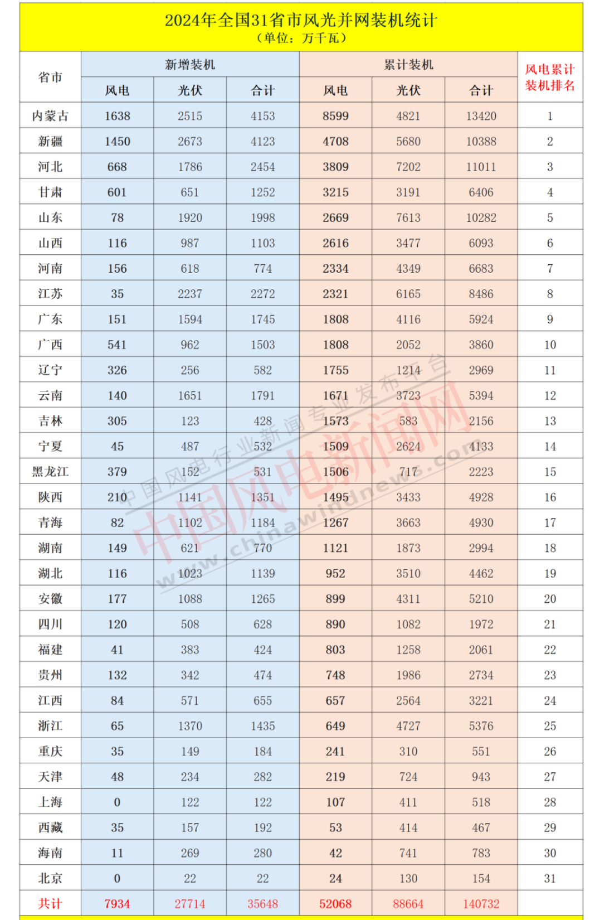
 | 2025年 |  | 2030年
 | low | up | low | up | 2020装机 |  | 2024装机
BEIJ | 0.24 | 0.288 |  |  | 19 | 0.19 | 24 | 0.24
TIAN | 2.19 | 4 |  |  | 85 | 0.85 | 219 | 2.19
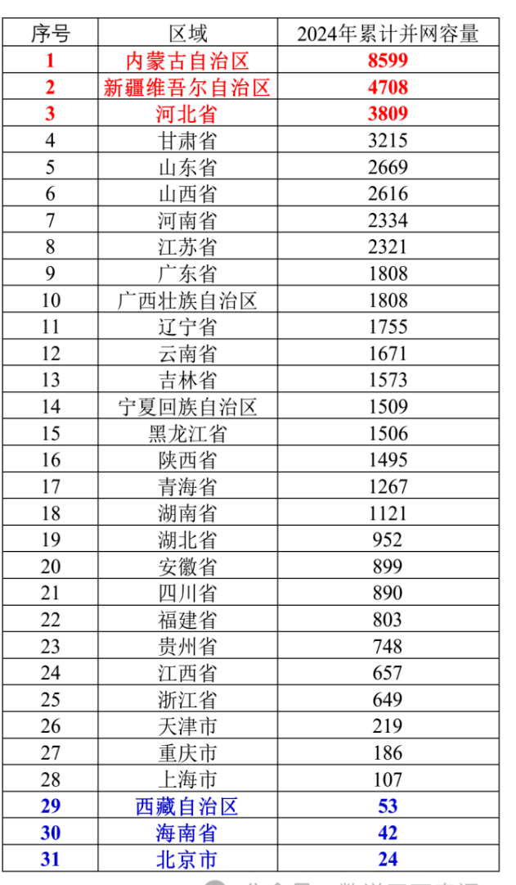
HEBE | 38.09 | 45.708 |  |  | 2274 | 22.74 | 3809 | 38.09
SHNX | 26.16 | 31.392 |  |  | 1974 | 19.74 | 2616 | 26.16
NEMO | 85.99 | 103.188 |  |  | 3786 | 37.86 | 8599 | 85.99
LIAO | 17.55 | 21.06 |  |  | 981 | 9.81 | 1755 | 17.55
JILI | 15.73 | 18.876 |  |  | 577 | 5.77 | 1573 | 15.73
HEIL | 15.06 | 18.072 |  |  | 686 | 6.86 | 1506 | 15.06
SHAN | 1.07 | 1.284 |  |  | 82 | 0.82 | 107 | 1.07
JINU | 23.21 | 27.852 |  |  | 1547 | 15.47 | 2321 | 23.21
ZHEJ | 6.49 | 7.788 |  |  | 186 | 1.86 | 649 | 6.49
ANHU | 8.99 | 10.788 |  |  | 412 | 4.12 | 899 | 8.99
FUJI | 8.03 | 9.636 |  |  | 486 | 4.86 | 803 | 8.03
JINX | 6.57 | 7.884 |  |  | 510 | 5.1 | 657 | 6.57
SHAD | 26.69 | 32.028 |  |  | 1795 | 17.95 | 2669 | 26.69
HENA | 23.34 | 28.008 |  |  | 1518 | 15.18 | 2334 | 23.34
HUBE | 9.52 | 11.424 |  |  | 502 | 5.02 | 952 | 9.52
HUNA | 11.21 | 13.452 |  |  | 669 | 6.69 | 1121 | 11.21
GUAD | 18.08 | 21.696 |  |  | 565 | 5.65 | 1808 | 18.08
GUAX | 18.08 | 21.696 |  |  | 653 | 6.53 | 1808 | 18.08
HAIN | 0.42 | 0.504 |  |  | 29 | 0.29 | 42 | 0.42
CHON | 1.86 | 2.232 |  |  | 97 | 0.97 | 186 | 1.86
SICH | 8.9 | 10.68 |  |  | 426 | 4.26 | 890 | 8.9
GUIZ | 7.48 | 8.976 |  |  | 580 | 5.8 | 748 | 7.48
YUNN | 16.71 | 20.052 |  |  | 881 | 8.81 | 1671 | 16.71
SHAA | 14.95 | 17.94 |  |  | 892 | 8.92 | 1495 | 14.95
GANS | 32.15 | 38.58 |  |  | 1373 | 13.73 | 3215 | 32.15
QING | 12.67 | 15.204 |  |  | 843 | 8.43 | 1267 | 12.67
NINX | 15.09 | 18.108 |  |  | 1377 | 13.77 | 1509 | 15.09
XING | 47.08 | 56.496 |  |  | 2361 | 23.61 | 4708 | 47.08

